Sheet1
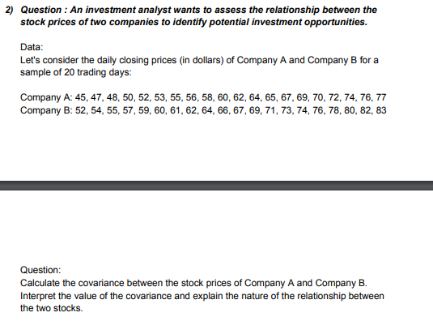
Company A | Company B | ANSWERS
45 | 52 | Covariance | 92.65
47 | 54 | Interpretation | The covariance is positive showing as the closing price of company A increases, the prices of company B also increases.
48 | 55
50 | 57
52 | 59
53 | 60
55 | 61
56 | 62
58 | 64
60 | 66
62 | 67
64 | 69
65 | 71
67 | 73
69 | 74
70 | 76
72 | 78
74 | 80
76 | 82
77 | 83

